Gift Box Order Form
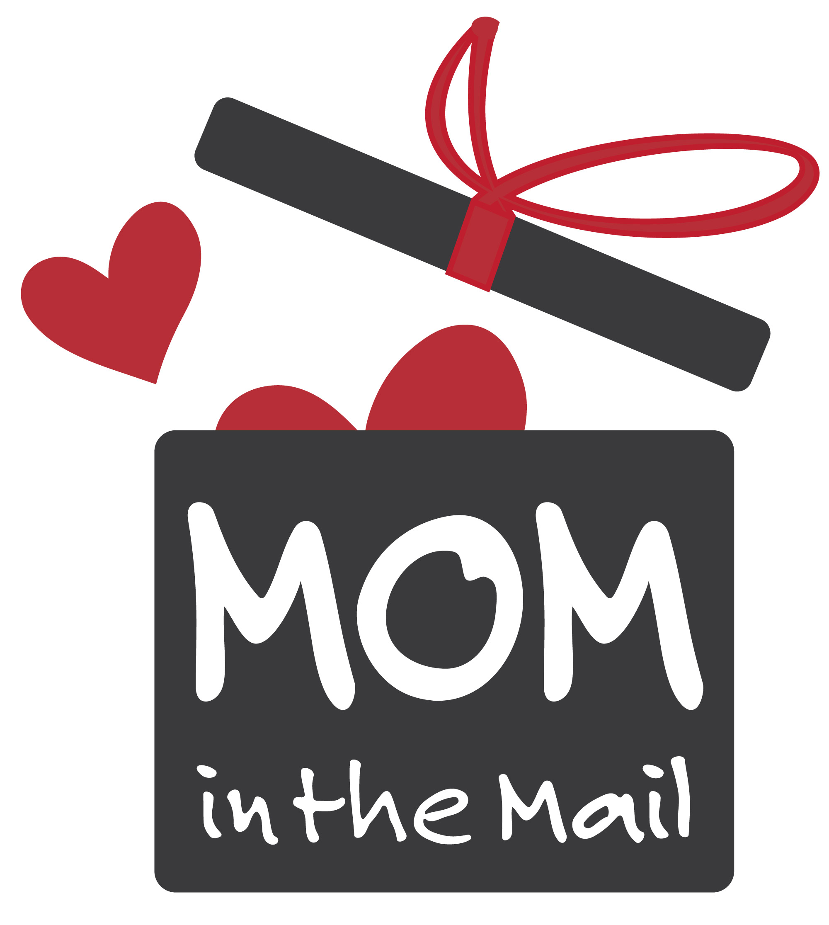 | GIFT BOX ORDER FORM - 2024
 | Thanks for choosing to send our delicious treats to your friends and family! Please complete the information, below, for your order. Once we've received and reviewed it, we'll send you a confirmation invoice with your total order cost and details. You can also request a custom note card for your boxes - just ask when you submit your form by email. Questions on this form? email: mom@mominthemail.com
BOX PRICING: All prices include priority shipping. Express shipping availble for an additional charge. | Standard Boxes - 1 Dozen Classic/Seasonal - $50| GF/Vegan- $54 | Custom/Holiday - $55/$58 GF/VE You can find the current menu of curated boxes and treats on our website (link on the right there). Feel free to create your own, too. Custom mixes can include up to 3 varieties. Tell us in the NOTES column what you'd like. |  |  | Small Boxes - 4 Pack $22 | $24 for GF/Vegan Options All four will be the same type of cookie. Please leave your choice in the NOTES column.
 | Larger Boxes - 2 Dozen Treats $75 | GF/Vegan/Holiday/Custom - $84 Large Standard: Combines the Seasonal and Classic Boxes. GF/Vegan assortments available too, and you can always ask for a custom mix. Choose up to 6 varieties - let us know your picks in the NOTES column. |  |  | Click to see our current cookie selections!
Your Name:
Your Mailing Address:
Order Date:
Add a logo to your card? |  | We can add a color logo to your personal note card for just $1.50/box. Email us an image file and we'll take care of it!
Desired Ship Date: |  | Please allow at least 72 hours between the order date and ship date. We will confirm an exact schedule for you by email.

Recipient Name | Street Address | City | State | Zip Code | Personal Note (optional) | Cookie Selection | Box Size | Notes/Customization Requests | Box Décor | Shipping Method

